AMQ05
Main
 | Spring
 | YE | 2022-11-30

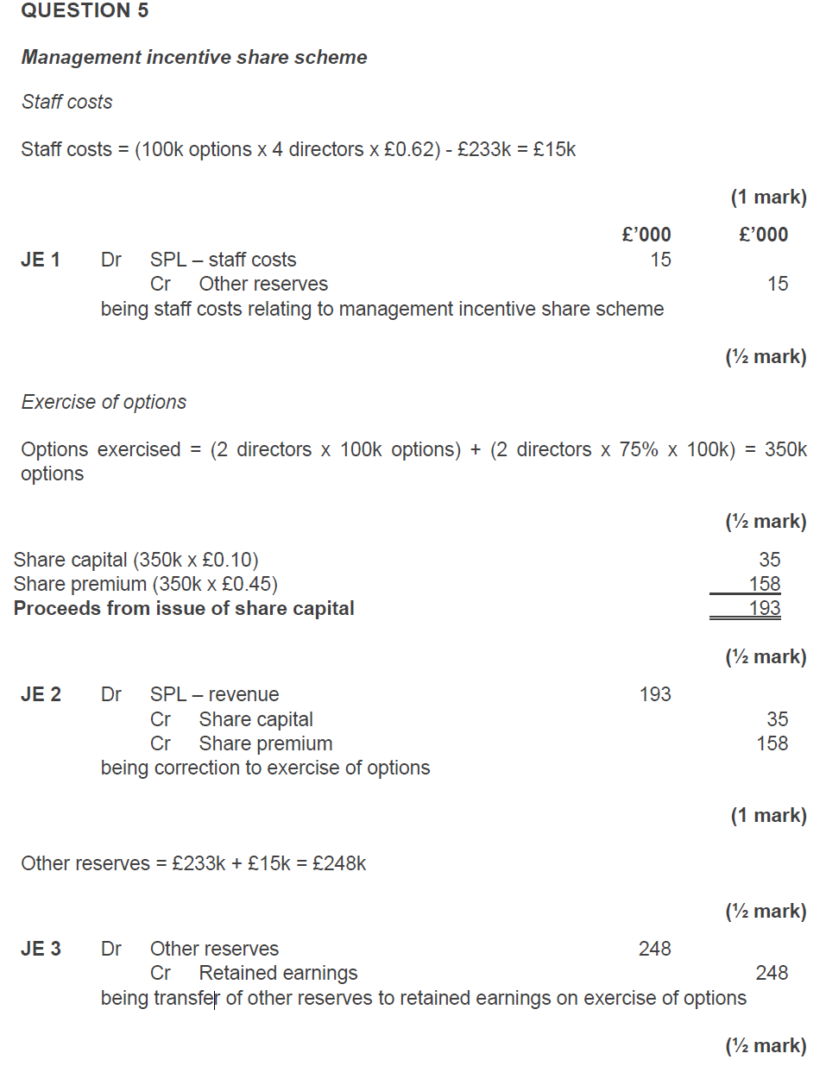
 | Service conditions
 | This is an equity settled share based payment, with options to purchase shares being granted to [employees/directors] in exchange for their services to the company (providing they remain in employment until xx/xx/xx) |  |  |  |  | As the fair value of the service of the employees cannot be measured reliably the cost is measured using the FV of the share options at the grant date, being …
 | The asset/expense should be value at the fair value of the goods/services received. If unable to determine reliably (i.e. staff services) then should measure at FV of instruments granted at the grant date. |  |  |  |  | Six employees are expected to remain with the company, so the fair value should be calculated based on option accruing to .. employees. At YE, the total fair value of the options is:
 | As we cannot estimate the fair value of the service to the company we should measure the transaction at the fair value of the equity instruments.
 | Changes in fair value of the options should not be accounted for.
 | Number of employees |  | 5 |  |  | x employees * no. of options * FV = xxx
 | Number of share options granted per employee |  | 100
 | Vesting period |  | 4 |  |  | At year end, the share option scheme is at the end of year x of a 4 year vesting period and therefore x/4 of the total fair value should be accounted for:
 | Value at grant date |  | 0.55

 | recognise the SC and SP based on the shares exercised |  |  |  |  | *calc*
 | adjust the reserve balance and transfer to the PL

 | PY reserve |  |  | 232.5
 | CY reerve |  |  | 248
 | increase in reserve |  |  | 15.5

 | dr - SPL staff costs |  |  | 15.5
 |  | cr - other reserves |  |  | 15.5
 | being staff costs relating to management incentive share scheme

 | Shares exercised |  |  | 350

 | dr - revenue |  |  | 193
 |  | cr - SC |  |  | 35
 |  | cr - SP |  |  | 158
 | being correction of excise of options

 | dr - other reserves |  |  | 248
 |  | cr - RE |  |  | 248
 | being transfer of other reserves to retained earnings on exercise of options

 | Share issue for non-current asset

 | 2022-11-30
 | estimated market value |  |  | 1750
 | shares issued to pay for it
 | SC |  |  | 1400*.1 | 140
 | SP |  |  | 1400*(.97-.1) | 1218
 | Cash |  |  |  | 500
 |  |  |  |  | 1858
 | In exchange for an asset
 | The acquisition of the asset is an equity settled share-based payment, with shares being issues to purchase a non-current asset.
 | The non-cash consideration should be recognised at its fair value on the date of issue if this is available

 | Number of shares | 1,400
 | Par value of shares | 0.1
 | FV of shares | 1,358
 | FV of asset available? | Yes
 | FV of asset | 1,250

 | As we know the fair value of the asset received, the market value of equity is not relevant. The asset should be recognised at its fair value of £1250
 | The amount of the fair value of the asset exceeds the nominal value of shares issued and so a premium must be recognised in 'share premium'

 | Share capital | 140
 | Share premium | 1,110
 | Fair value of property | 1,250

 | DR Asset | 1,250
 | CR Share capital |  | 140
 | CR Share premium |  | 1,110

 | The shares issued should be recognised at their nominal value of £140, with £1110 recognised in the share premium account
 | The asset should be depreciated in line with company policy over its estimated useful life of … years from the date it was put into use. For the year ended xx/xxx/xx, this is xx months of depreciation.

AMQ09
Main
 | YE | 2022-05-31

 |  | Thoth | Epic | Mitre

 | Epic

 | Step 2: eliminate investment and recognise gw

 | consideration |  |  | 4,574
 | NCI |  | 10% | 442
 | SC |  | 1,000
 | RE |  | 3,125
 | RVS |  | 341
 |  |  | 4,466
 | adjustments to net assets
 | inventory write down |  | (42)
 |  |  | 4,424 | (4,424)
 | gw |  |  | 592

 | dr - SC |  |  | 1,000
 | dr - RE |  |  | 3,125
 | dr - RVS |  |  | 341
 | dr - gwq |  |  | 592
 |  | cr - investment in Epic |  |  | 4,574
 |  | cr - SFP NCI |  |  | 442
 | being elimination of investment and recognition

 | Step 3: impair goodwill
 | dr - SPL impairment of goodwill |  |  | 178
 |  | cr - goodwill |  |  | 178
 | being impairment of goodwill by 30%

 | Step 4: historical profit and gain/loss allocatoin
 | n/a - acquired during the year

 | Step 5: CY profits

 | dr - SPL NCI |  |  | 54
 |  | cr - SFP NCI |  |  | 54
 | being NCI share of CY profits

 | Step 6: IC transactions
 | YE | 2022-05-31

 | 2021-12-01
 | parent rents from sub
 | FV of office | 2021-06-01 | 8000
 | rent payment |  | 60 | pa in advance
 | useful life |  | 1080 | months

 | rent, NCA and the deprecation cahrte
 | dr - Property cost |  |  | 8000
 |  | cr - Investment property |  |  | 8000
 | being classification of investment property to owner-occupied property for consolidation purposes only

 | depreciation for 5m to 31/05/2022
 | 44

 | dr - PPE AD |  |  | 44
 |  | cr - SPL depr |  |  | 44
 | being reversal of the depreciation charge in the group

 | Intercompany rent
 | 30

 | dr - SPL other income |  |  | 30
 |  | cr - admin expense
 | being elimination of intercompany rent

 | deferred income / prepayement from annual payment in advance
 | 0.5 | 60 | 30

 | dr - deferred income |  |  | 30
 |  | cr - prepayments |  |  | 30
 | being elimination of intercompany deferred income and prepayment from annual rent paid in advance on 01/12/21

 | Mgmt expense
 | DR SPL - Other income |  |  | 75
 |  | CR SPL - administrative expenses |  |  | 75

 | Mitre

 | 2021-06-01
 | JV

 | Consideration
 | FV | 60
 | NBV | 55
 | cash | 20

 | being increase from NBV to FV

 | consideration | 80

 | what we're buying
 | shares | 80 | of SC

 | dr - investment in Mitre (JV) |  |  | 80
 |  | cr - Plant and equipment |  |  | 55
 |  | cr - SPL gain on reval |  |  | 5
 |  | cr - fiannce costs |  |  | 20
 | being investment in JV

 | Divided paid
 | dr - finance income |  |  | 50
 |  | cr - investment in Mitre |  |  | 50

 | Steo 3: allocate share of profits
 | dr - investmentin in Mitre |  |  | 285
 |  | cr - SPL share of profit of joint venture |  |  | 285
 | being group share of current year profits

 |  |  |  |  | Do not include fees for directors of joint ventures/associates
 | Directors | Salary | Bonus | Benefits | Fees | Other | LTIS | Gains on share options | Total emoluments |  | Loss of office payments | Pension contributions - defined contribution | Accrued pension - defined benefit
 |  | £ | £ | £ | £ | £ | £ | £ | £ |  | £ | £ | £
 | Mx Doh | 200 | 25 | 9 | 50 |  | 45 | 35 | 364.00 | Highest paid director |  | 20
 | Mx Ray | 245 | 25 | 9 | 20 |  | 25 | 35 | 359.00 |  | 14.6 | 15
 | Mx Tee | 0 | 0 | 0 | 0 |  |  |  | - |  |  | 0
 | Mx Lah | 0 | 0 | 0 | 35 |  |  |  | 35.00 |  |  | 0
 | Mx Scale | 180 | 25 | 5 | 60 |  | 10 |  | 280.00 |  |  |  | 18
 |  | 625.00 | 75.00 | 23.00 | 165.00 | - | 80.00 | 70.00 | 1,038.00 |  | 14.60 | 35.00 | 18.00

 |  |  |  |  |  |  |  |  |  |  |  | Don’t include remuneration for defined benefit employees
 | Workings:
 | Emoluments
 | Salary |  | 625.00
 | Bonus |  | 75.00
 | Benefits in kind |  | 23.00
 | Fees |  | 165.00 |  | Aggregate emoluments : |  |  |  |  |  | Share option schemes - expense in year is allocated to each director (remember if in question)
 | Fee from subsidiary company |  | -
 |  |  | 888.00 |  |  | 1,038.00 | (remuneration + LTIS + gains on share options)

 | Highest paid director's emoluments
 | Salary |  | 200.00 |  | Details of the highest paid director should be disclosed if aggregate emoluments are in excess of £200,000:
 | Bonus |  | 25.00 |  | Total emoluments exceed £200,000? |  |  | Yes
 | Benefits in kind |  | 9.00 |  | Conclusion |  |  | Disclose Highest Paid Director
 | Fees |  | 50.00

 | Gains on exercise on share options |  | 35.00
 | Long-term incentive scheme |  | 45.00
 | Other - NAME |  | -
 | Emoluments |  | 364.00

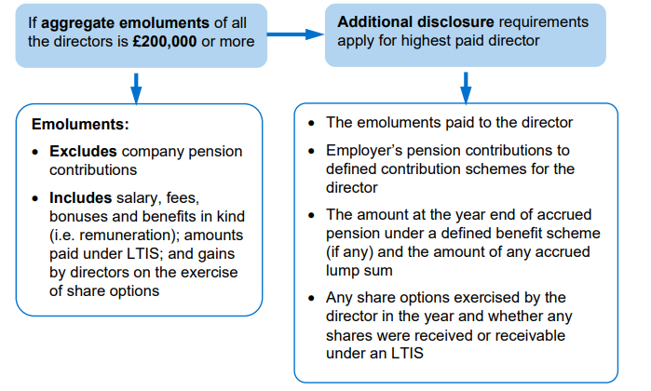
 | Disclosure notes
 | Directors remuneration comprised:
 | Remuneration |  | 888.00
 | Long term incentive scheme |  | 80.00
 | Pension costs |  | 35.00 |  | Defined contribution
 | Aggregate directors remuneration |  | 1,003.00

 | 4 directors are members of the defined contribution pension scheme
 | 1 directors are members of the defined benefit pension scheme

 | The remuneration of the highest paid director included:
 | Emoluments |  | 364.00
 | Pension costs |  | 20.00
 | Remuneration of highest paid director |  | 384.00

 | 3 of the directors have share options accruing at the year end. The exercies date of these options is xx/xx/xx
 | Compensation for loss of office of a director amounted to £14.6 which consisted of …

 | The highest paid director exercised … share options of the company [- these were received under an LTIS]
 | The highest paid director had amounts accrued under a DBS of £ |  |  | 0

 | Preparation of group accounts
 | If at the end of a financial year the company is a parent company the directors, as well as preparing individual accounts for the year, must prepare group accounts for the year unless the company is exempt from that requirement.
 | This applies to all companies in the United Kingdom, regardless of whether they prepare accounts in accordance with IFRS or FRS.
 | Therefore, Thoth must prepare consolidated financial statements, which include Mitre, consolidated using equity accounting.
 | The Act has a limited number of exemptions to the duty to prepare group accounts:
 | If the parent company is itself a subsidiary and its immediate parent is established within a member state of the European Economic Area (‘EEA’), then group accounts do not need to be prepared.
 | There is protection given to minority shareholders whereby they can request that group accounts be compiled. The company must be included in consolidated accounts of a larger group of a parent in the EEA. It is assumed that the minority shareholders would not request this.
 | The purpose of this exemption is to reduce the disclosure requirements of a company whose accounts are included within the accounts of a larger group. Providing the larger group reports somewhere within the EEA then it will by default be complying with EC Directive 7 and, therefore, there is the opportunity for any interested party to review the said company’s accounts.
 | The group accounts that include the subsidiary must still be filed in the United Kingdom, in English, for the interested user to review
 | EEA refers to European Union members plus Norway, Iceland and Liechtenstein. This exemption does not apply if the company itself is listed on any regulated market of an EEA state that is, it must prepare its own group accounts if it is a listed company.
 | Therefore, as the Spanish company is listed, the results of the Thoth group would be included in those financial statements, which are available on public record. An English version of those accounts must still be filed in the United Kingdom however, for the exemption to apply.

AMQ37
Main
 | Chuck

 | Convertible Bonds
 | Amortised Cost
 | Loan - through AC
 | Principal amount | 5,000
 | Issue amount (at discount/premium) | 5,030
 | Capitalised fees
 | Nominal interest | 3.50% | The amortised cost method requires effective interest to be added to the opening liability, and nominal payments made against the bonds deducted from this.
 | Effective interest | 2.88% | Effective interest is calculated by multiplying the outstanding liability by the effective interest rate (show calc)
 | Payable in | arrears | Should be prorated if issued throughout the year.

 | Year ended | Opening balance | Effective interest | Nominal Interest/ dividends | Closing balance
 |  | £ | £ | £ | £
 | 2021-04-30 | 5,030 | 145 | (175) | 5,000
 | 2022-04-30 | 5,000 | 144 | (175) | 4,969
 | 2023-04-30 | 4,969 | 143 | (175) | 4,937
 | 2024-04-29 | 4,937 | 142 | (175) | 4,904
 | 2025-04-29 | 4,904 | 141 | (175) | 4,870
 | 2026-04-29 | 4,870 | 140 | (175) | 4,836

 | Non-current loan payable | 4,969
 | Current loan payable | 31 | SHOW CALC
 | Lease payable at year end | 5,000

 | Adjustment required = | 144.864-175 = £-30.136

 | CR bonds |  | 145
 | DR SPL - finance expense | 145
 |  |  |  |  | (Better to post as one entry)
 | CR cash | 175
 | DR mortgage bonds |  | 175

 | Redemption:
 | CR cash |  | 4,200,000
 | Dr bond liability | 4,249,184
 | DR/CR gain on redemption |  | 49,184

 | The redeemed debentures/bonds should be derecognised as they have been cancelled, thus extinguishing the obligation.
 | The gain/loss on redemption should be recorded in profit or loss.

 |  | Convertible bonds
 |  | £'000
 | issue date | 2011-07-01
 | issued | 5,000
 | par | 1
 |  | 5,000
 | redemption date | 2022-06-30
 | issue preimum | 0.2
 | similary bonds | 1.1 | each

 | Conversion of bonds

 | Convertible bonds combine a financial liability (the obligation to pay interest and principal) and an equity instrument (the option to convert into shares)
 | The two elements must be classified separately within [non-current/current liabilities] specifically and in equity.

 | Reserve for convertible bonds | 500.00 | The reserve for convertible bonds is recorded as the difference between the issue price and FV of similar bond without conversion rights
 | Convertible bonds carrying amount | 3,500.00 | The original value for the bond is measured as the FV of a similar bond without conversion rights
 | % of bonds converted | 70% | Derecognise when right is converted or lapsed
 | Shares redeemed =3/5*5000*0.7 | 2,100.00 | Upon conversion, a correction must be made to record the equity elements and eliminate the repayment in cash recorded.
 | Share value | 0.5 | The convertible bond reserve must be released to retained earnings in accordance with accounting policy.

 | The convertible debt liability should be derecognised - amounts redeemed for cash should be recorded as a reduction in the liability balance
 | The liability converted should be converted into ordinary shares, with the amount over nominal value being recorded as share premium.
 | DR bond liability | 1,050
 | CR Share premium (or cash - delete as appropriate) |  | 1,050

 | DR bond liability | 2,450
 | CR share capital |  | 1,050
 | CR share premium |  | 1,400

 | At the maturity date, the reserve for convertible bonds is transferred to retained earnings:
 | DR Reserve for convertible bonds | 500
 | CR Retained earnings |  | 500

 | Mortgare
 | Amortised Cost
 | Loan - through AC
 | Principal amount | 2,500
 | Issue amount (at discount/premium) | 2,513
 | Capitalised fees
 | Nominal interest | 4.00% | The amortised cost method requires effective interest to be added to the opening liability, and nominal payments made against the bonds deducted from this.
 | Effective interest | 2.00% | Effective interest is calculated by multiplying the outstanding liability by the effective interest rate (show calc)
 | Payable in | arrears | Should be prorated if issued throughout the year.

 | Receipts from mortgages are cash flows of solely principal (i.e., final repayment) and interest and it is the intention to hold them until maturity and so the asset is classified as amortised cost.
 | (½ mark)
 | At initial recognition, the mortgages are recognised at the fair value plus the acquisition costs and must be removed from the finance suspense account.
 | (½ mark)
 | The calculation of finance income should be based on the total cost and any payments received should be credited to the asset.
 | (½ mark)
 | Opening balance = £2,500k + £13k = £2,513k

 | Year ended | Opening balance | Effective interest | Nominal Interest/ dividends | Closing balance
 |  | £ | £ | £ | £
 | 2021-04-30 | 2,513 | 50 | (100) | 2,463
 | 2022-04-30 | 2,463 | 49 | (100) | 2,412
 | 2023-04-30 | 2,412 | 48 | (100) | 2,361
 | 2024-04-29 | 2,361 | 47 | (100) | 2,308
 | 2025-04-29 | 2,308 | 46 | (100) | 2,254
 | 2026-04-29 | 2,254 | 45 | (100) | 2,199

 | Non-current loan payable | 2,412
 | Current loan payable | 51 | 2463-2412
 | Lease payable at year end | 2,463

 | dr - financial asset | 50
 | cr SPL - finance income |  | 50
 |  |  |  |  | (Better to post as one entry)
 | CR finance suspense account | 100
 | DR financial assets |  | 100

 | Derivative Contract
 | Non-hedging derivatives are classified as fair value through profit or loss.
 | (½ mark)
 | Transaction costs must be written off to the statement of profit or loss and removed from the finance suspense account.
 | (½ mark)

 |  | EUR | GBP
 | 2022-09-10 | 125 | 110
 | 2022-12-31 | 125 | 104
 |  |  | (5)
 | initial recognition
 | dr - SPL admin expenses |  |  | 8
 |  | cr - finance suspense account |  |  | 8
 | being ourchase of non-hedging future currency contract

 | this become a liability when the value chagnes. Intial recognition is not required
 | A fair value loss is recognised in profit or loss as the movement in exchange rates is unfavourable.

 | dr - SPL - admin expenses |  |  | 5
 |  | cr - derivative liabilty |  |  | 5
 | being fair value loss on derivative

 | R2
 | [INSERT COMPANY] plc/ Ltd | CHECKS (delete/ hide this column and any extra rows once checks performed) |  |  |  |  |  | CY | PY
 | Statement of cash flows |  |  |  |  | Cash and cash equivalents |  | £'000 | £'000
 | For the year ended [INSERT Y/E DATE] |  |  |  |  | Cash and cash equivalents within current assets |  | 21,082 | 22,798
 |  | If any rows/ columns are added, formulas must be updated and checked | £'000 | £'000 |  | Bank overdraft |  | 0 | 0
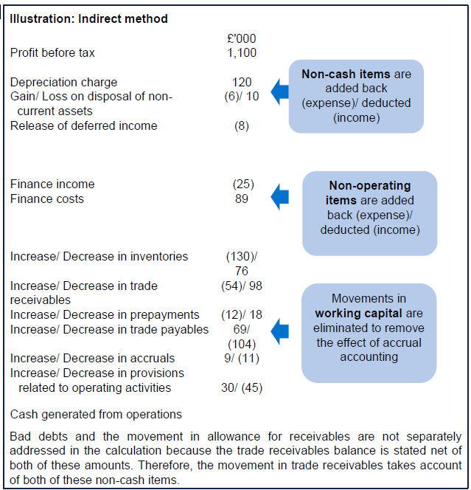
 | Cash flows from operating activities |  |  |  |  |  |  | 21,082 | 22,798
 | Profit/ Loss before taxation | From the final TB/ ETB/ ETB; Delete 'Profit' or 'Loss' as necessary; Use negative amount if a loss | 14,782
 | Adjustments for: |  |  |  |  | Working capital movements
 | Depreciation of non-current assets | Delete as necessary | 5,683 |  |  |  | Inventories | Trade and other receivables | Trade and other payables | Provisions
 | Amortisation of non-current assets | Delete as necessary | 6 |  |  |  | £'000 | £'000 | £'000 | £'000 |  | Account for effect of accrued finance costs etc that are not payable in cash
 | Gain on sale of non-current assets | Delete as necessary |  |  |  | Opening | 10,460 | 2,440 | 1,489 | 0 |  | i.e. foreign exchange gains, non-cash considerations
 | Loss on sale of non-current assets | Delete as necessary |  |  |  | Non-cash items
 | Fair value gain | Delete as necessary |  |  |  | Closing | 11,835 | 5,817 | 1,273 | 0
 | Fair value loss | Delete as necessary |  |  |  | Increase/(Decrease) | 1,375 | 3,377 | (216) | 0
 | Foreign exchange gain | Delete as necessary |  |  |  | Cash generated from operations = |  |  |  | (4,536)
 | Foreign exchange loss | Delete as necessary
 | Release of deferred income | Delete as necessary
 | Finance income | Delete as necessary | (654) |  |  | Account for movements in accruals, inventories, prepayments, provisions etc (can separate out)
 | Finance costs | Delete as necessary | 1,223
 |  |  | 21,040 |  |  | Interest paid
 | Increase in inventories | Delete as necessary | (1,375) |  |  | Opening accrued finance costs |  |  | 165
 | Increase in trade and other receivables | Delete as necessary | (3,377) |  |  | Finance costs |  |  | 1,223
 | Decrease in trade and other payables | Delete as necessary | (216) |  |  | Nominal payments |  |  | 175
 | Decrease in provisions | Delete as necessary | 0 |  |  | Less Effective interest |  |  | 145
 | Cash generated from operations |  | 16,072 |  |  |  |  |  | 1,418
 | Interest paid | Can also be shown in a financing cash flow | (1,198) |  |  | Closing accrued finance costs |  |  | 220
 | Taxes paid |  | (3,951) |  |  | Interest paid |  |  | 1,198
 | Net cash from/ used in operating activities | Delete 'from' or 'used in' as necessary |  | 10,923
 |  |  |  |  |  | Taxes paid
 | Cash flows from investing activities | Add line items as necessary |  |  |  | Opening current tax payable |  | 2,736
 | Acquisition of subsidiary, net of cash acquired |  |  |  |  | Opening deferred tax |  | 238 | 2,974
 | Disposal of subsidiary, net of cash disposed |  |  |  |  | Taxation |  |  | 4,304
 | Purchase of non-current assets | Edit as necessary for type of non-current asset | (8,351) |  |  |  |  |  | 7,278
 | Proceeds from sale of non-current assets | Edit as necessary for type of non-current asset | 0 |  |  | Closing current tax payable |  | 3,049
 | Purchase of other investments | Edit as necessary for type of other investment | 0 |  |  | Closing deferred tax |  | 278 | 3,327
 | Proceeds from sale of other investments | Edit as necessary for type of other investment |  |  |  | Taxes paid |  |  | 3,951
 | Interest received | Can also be shown as an operating cash flow | 704
 | Dividends received | Can also be shown as an operating cash flow | 0 |  |  | Purchase of PPE
 | Net cash from/ used in investing activities | Delete 'from' or 'used in' as necessary |  | (7,647) |  | Opening carrying amount |  |  | 25,540
 |  |  |  |  |  | Revaluation increase/(impairment loss) |  |  | 1,200
 | Cash flows from financing activities |  |  |  |  | Less Depreciation charge |  |  | 5,683
 | Proceeds from issue of share capital |  | 0 |  |  | Less disposals (carrying amount)
 | Purchase of share capital |  |  |  |  | RoU assets under new leases
 | Proceeds from long-term borrowings | Edit as necessary for type of borrowing | 0 |  |  |  |  |  | 21,057
 | Payment/ Redemption of long-term borrowings | Edit as necessary for type of borrowing; Delete 'Payment'/ 'Redemption' as necessary | (1,500) |  |  | Closing carrying amount |  |  | 29,408
 | Payment of lease liabilities |  | (55) |  |  | Purchase of PPE |  |  | 8,351
 | Financing by sale of investment (not derecognised)
 | Lease financing received (lease payable) |  |  |  |  | Proceeds from sale of PPE
 | Dividends paid | Can also be shown as an operating cash flow | (979) |  |  | Carrying amount |  |  | 0
 | Net cash from/ used in investing activities | Delete 'from' or 'used in' as necessary |  | (2,534) |  | Loss/(gain) on disposal
 |  |  |  |  |  | Proceeds from sale of PPE |  |  | 0
 | Net increase/ decrease in cash and cash equivalents | Delete 'increase' or 'decrease' as necessary |  | 742
 | Cash and cash equivalents at [INSERT FIRST DAY OF YEAR] | From the final TB/ ETB; use negative amount if overdrawn |  | 22,798
 | Cash and cash equivalents at [INSERT Y/E DATE] | From the final TB/ ETB; use negative amount if overdrawn |  | 21,082 |  | Interest received
 |  |  |  |  |  | Opening accrued finance income |  |  | 0
 |  | Check that net movement in cash equals the movement in cash and cash equivalents | -2,458 |  |  | Finance income |  |  | 654
 |  |  |  |  |  | Less effective interest |  |  | 50
 |  |  |  |  |  | Nominal receipt |  |  | 100
 |  |  |  |  |  |  |  |  | 704
 |  |  |  |  |  | Closing accrued finance income
 |  |  |  |  |  | Interest received |  |  | 704

 |  |  |  |  |  | Dividends paid
 |  |  |  |  |  | Opening retained earnings |  |  | 61,780
 |  |  |  |  |  | Profit for the year |  |  | 10,482
 |  |  |  |  |  | Issue of bonus shares
 |  |  |  |  |  | Release of reserves (non cash) |  |  | 500
 |  |  |  |  |  |  |  |  | 72,762
 |  |  |  |  |  | Closing retained earnings |  |  | 71,783
 |  |  |  |  |  | Dividends paid |  |  | 979

 |  |  |  |  |  | Dividends received

 |  |  |  |  |  | Proceeds from issue of share capital
 |  |  |  |  |  | Opening share capital and share premium
 |  |  |  |  |  | Issue of bonus shares
 |  |  |  |  |  |  |  |  | -
 |  |  |  |  |  | Closing share capital and share premium
 |  |  |  |  |  | Proceeds from issue of share capital |  |  | -

 |  |  |  |  |  | Proceeds from long term borrowings
 |  |  |  |  |  | Opening debentures
 |  |  |  |  |  | Derecognition of debentures
 |  |  |  |  |  | Closing debentures
 |  |  |  |  |  | Proceeds from long term borrowings |  |  | 0

 |  |  |  |  |  | Purchase of investments
 |  |  |  |  |  | Opening investments
 |  |  |  |  |  | Revaluation gains
 |  |  |  |  |  |  |  |  | 0
 |  |  |  |  |  | Closing investments
 |  |  |  |  |  | Purchase of investments |  |  | 0

 |  |  |  |  |  |  |  |  |  |  | Remember transaction fees
 |  |  |  |  |  | Payment of long-term borrowings
 |  |  |  |  |  | Opening loan payable
 |  |  |  |  |  | Proceeds from issue of LT borrowings |  |  | 1,500
 |  |  |  |  |  |  |  |  | 1,500 |  | Include both long term and current loans payable
 |  |  |  |  |  | Closing loan payable |  |  |  |  | PPE borrowing cost loans drawn down
 |  |  |  |  |  | Payment of long-term borrowings |  |  | 1,500

 |  |  |  |  |  | Payment of lease liabilities
 |  |  |  |  |  | Opening lease payable |  |  | 0
 |  |  |  |  |  | New lease |  |  | 55
 |  |  |  |  |  |  |  |  | 55
 |  |  |  |  |  | Closing lease payable |  |  | 0
 |  |  |  |  |  | Payment of lease liabilities |  |  | 55

 |  |  |  |  |  | Purchase of Intangibles
 |  |  |  |  |  | Opening carrying amount
 |  |  |  |  |  | Revaluation increase
 |  |  |  |  |  | Less amortisation charge
 |  |  |  |  |  | Less disposals (carrying amount)
 |  |  |  |  |  |  |  |  | 0
 |  |  |  |  |  | Closing carrying amount |  |  | 0
 |  |  |  |  |  | Purchase of PPE |  |  | 0

